IPI DRB Minutes
 |  | IBIDEN PHILIPPINES, INC. |  |  |  |  |  |  |  |  |  |  |  |  |  |  |  |  |  |  | DRB/MRB No. : |  | D-CORE-19-12-001
 |  | DRB/MRB REPORT MINUTES |  |  |  |  |  |  |  |  |  |  |  |  |  |  |  |  |  |  | RFC No. : |  | 06-1219-0006

Theme: |  |  | Overdipping
Meeting Date : |  |  | 10-Dec-19 |  |  |  |  |  |  |  |  |  |  |  |  | Originated by : |  |  |  |  | Teodoro Barba / CORE 1
Meeting Time: |  |  | 1030H |  |  |  |  |  |  |  |  |  |  |  |  |  |  |  |  |  | Name /Block
Meeting Place: |  |  | Core Meeting Area |  |  |  |  |  |  |  |  |  |  |  |  | Approved by : |  |  |  |  | Jerry Gimeno
Chairman: |  |  | Virginia Mendoza |  |  |  |  |  |  |  |  |  |  |  |  |  |  |  |  | Originator ASM/SM/DGM/GM
Block: |  |  | CORE
Attendees : |  |  | Manufacturing |  |  | Engineering/NPD |  |  |  | Facilities/EE |  |  |  |  | QA/QC |  |  |  |  | PPIC/CSE |  |  |  | Other
 |  |  | Virgie |  |  | Sir Neil |  |  |  | Sir Adam |  |  |  |  | Sir Keirolf
 |  |  | Teody |  |  | Mam Raysa |  |  |  |  |  |  |  |  | Sir Arnel
 |  |  | Mizuno San |  |  | Sir Wilson
 |  |  |  |  |  | Sir Ian

<1>PROBLEM STATEMENT : (Put another sheet if multiple lots was discovered affected)
DEFECT ISSUE: |  |  | Overdipping |  | # | PRODUCT/MODEL AFFECTED |  |  |  | PRODUCT FAMILY |  |  | LEDGER NO. |  | PRODUCT SIZE |  | LOT NUMBER |  |  | AFFECTEDLAYER |  | AFFECTED PANEL |  | AFFECTED UNIT OR IF PERCENTAGE
DATE/TIME OCCURRED: |  |  | Dec-06-19 |  | 1 | IPI RENOIR FP6 |  |  |  | UTC |  |  | 022-4286 |  | 25 X 35 |  | P7943650 |  |  | 1st |  | 23 |  | N/A
PROCESS DETECTED: |  |  | VCP |  | 2 | IPI RENOIR FP6 |  |  |  | UTC |  |  | 022-4286 |  | 25 X 35 |  | P7943600 |  |  | 1st |  | 8 |  | N/A
PROCESS AFFECTED: |  |  | VCP |  | 3
# OF AFFECTED LOTS : |  |  | 2 |  | 4
WHO DETECTED: |  |  | PL Jez |  | 5
 |  |  |  |  | 6
 |  |  |  |  | 7
WHAT IS THE PROBLEM DIFFERENCE FROM NORMAL TO ABNORMAL SITUATION? CHANGING POINT? DISCUSS THE FLOW. (Indicate 5W and 1H)
During operational loading VCP5 around 2315h encountered machine stoppage due to
MO4 Pre-process lifter 2 hanger abnormal alarm during checking in actual condition of Pre process lifter 2 at Acid treatment area, already in home position but sensor in UP position is still blinking even no sensor detection in actual. While hanger no.124-4 mis-algn in railing between shower rinse and acid treatment.
POR dipping time: 1hr 06mins 46secs
Actual Dipping time:
3hr 59mins 7secs
Excess Time:
2hr 52mins 7secs
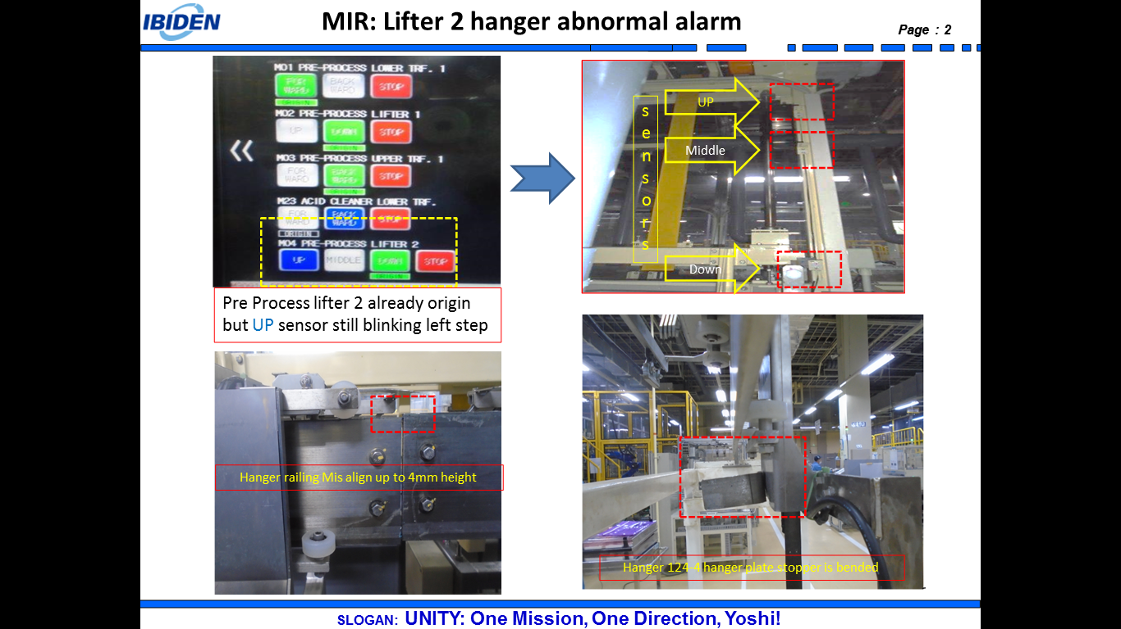

THE AGENDA ITEM IS RECURRENCE? |  |  |  | RECURRENCE |  |  | NEW |  |  |  |  | Recurrence Definition |  |  |  | 1. Rootcause is clear happened in same MC and parts 2. Rootcause is not clear but same issue 3. The Action was not proliferated to other process and machine but it was discussed during the meeting
THE AGENDA ITEM IS ESCAPEE? |  |  |  | YES |  |  | NO
PROBLEM CATEGORY |  |  | MAN |  | MACHINE |  |  | METHOD |  |  |  | MATERIAL |  |  | MEASUREMENT |  |  |  | ENVIRONMENT |  |  |  | OTHERS
DRB CLOSING RANK |  |  | RANK 1 |  | RANK 2 |  |  | RANK 3 |  |  |  | RANK 4 |  |  | RANK 5 |  |  |  | OTHERS

<2> INVESTIGATION/IDENTIFICATION OF AFFECTED AREA, SITUATION (Define the phenomenon, mode and tendency occurrence,Etc.)

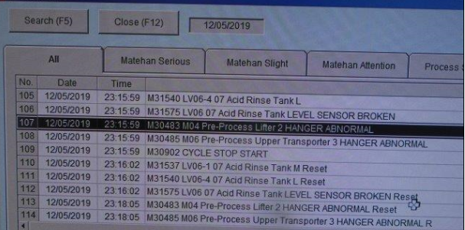
 |  |  |  |  |  |  |  |  | MO4 Pre-process lifter 2 hanger abnormal alarm during checking in actual condition of Pre process lifter 2 at Acid treatment area, already in home position but sensor in UP position is still blinking even no sensor detection in actual. While hanger no.124-4 mis-algn in railing between shower rinse and acid treatment.

<3> CONTAINMENT ACTION (Note: Do not disable the interlock system when doing the action) |  |  |  |  |  |  |  |  |  |  |  |  |  |  |  |  | Responsible |  |  | Completion Date |  |  | Status
 |  |  |  |  |  |  |  |  |  |  |  |  |  |  |  |  | Name / Block

 | Stop HVM loading/Pull out panel on hanger 124-4 . Data reset all step in matehan control |  |  |  |  |  |  |  |  |  |  |  |  |  |  |  | MFG / Jez |  |  | 2019-12-06 |  |  |  | Done

<4> DISPOSITION OF AFFECTED LOT AND RISK ASSESSMENT

Assessment Item (# of sample/Method) |  |  |  | Responsible Name / Block |  |  | Completion Date |  |  |  | Assessment Result (No Good/TTL QTY) |  |  |  |  |  | Judgment (OK/NG) |  |  | Final Disposition
100% panel appearance inspection |  |  |  | Jaime / MFG |  |  | 2019-12-06 |  |  |  | 1 / 2 lots with burnt |  |  |  |  |  | NG
100% Cu thickness (thru panel weight) after VCP 05 |  |  |  | Jaime / MFG |  |  | 2019-12-06 |  |  |  | 2/2 lots with OOS High |  |  |  |  |  | NG
TH recess measurement <8 panels from acid cleaner until water rinses> |  |  |  | Jaime / MFG |  |  | 2019-12-06 |  |  |  | 8/8 panels wihtin the specs |  |  |  |  |  | OK |  |  |  | Proceed |  | Qty : ______________________________
Panel weight measurement after conveyor speed adjustment after HE |  |  |  | Jaime / MFG Raysa / Eng'g |  |  | 2019-12-10 |  |  |  | Comparable to good |  |  |  |  |  | OK |  |  |  | Piece Out |  | Qty : _______ Pnl #: ________________
100% inspection at AOI for TH recess and O/S defect |  |  |  | Mark / MFG |  |  | 2019-12-15 |  |  |  | With evidence of over-etched |  |  |  |  |  | NG |  |  |  | Sheet Out |  | Qty : ______________________________ | 8 panels <P7943600>
Cross-cut verification for Cu thickness measurement and distribution check |  |  |  | Arnel / QC |  |  | 2019-12-16 |  |  |  | Un-even Cu distribution |  |  |  |  |  | NG |  |  |  | Lot Out |  | Qty : ______________________________ | 1 lot <P7943650>
 |  |  |  |  |  |  |  |  |  |  |  |  |  |  |  |  |  |  |  |  | SDR
Risk Assessment Category |  |  |  |  |  |  |  |  |  |  |  | Remarks
 |  | Low |  | Medium |  |  |  | High |  |  |  | ________________________

<5>ACTION REQUIRED (Note: Do not disable the interlock system when doing the action)

Action Request |  |  |  |  |  |  |  |  |  |  | Responsible Name / Block |  |  |  |  |  | Completion Date |  |  | Detail Results
Coordinate with maker to check the Preprocess pf VCP5 |  |  |  |  |  |  |  |  |  |  | Fac Adam |  |  |  |  |  | 2019-12-06 |  |  | Maker no Idea why loose bolt
Checking of all railings for possible realignment if have findings |  |  |  |  |  |  |  |  |  |  | Fac Adam |  |  |  |  |  | 2019-12-06 |  |  | DONE. All lifter and fixed railing are checked (with concern related to different length of bolt)
Checking of panel weight for the affected panels |  |  |  |  |  |  |  |  |  |  | Mfg Jaime |  |  |  |  |  | 2019-12-06 |  |  | Done
Loading of not affected panels of Renoir for Etching amount targeting |  |  |  |  |  |  |  |  |  |  | Mfg Jaime |  |  |  |  |  | 2019-12-06 |  |  | Done
Strategize loading at H etch if can still target etching amount |  |  |  |  |  |  |  |  |  |  | Engg Raysa |  |  |  |  |  | 2019-12-06 |  |  | Done
Provide last railing alignment checking documentation |  |  |  |  |  |  |  |  |  |  | Fac Adam |  |  |  |  |  | 2019-12-06 |  |  | Pending
Check bracket of railing due to seen GAP on connection |  |  |  |  |  |  |  |  |  |  | FAC Adam |  |  |  |  |  | 2019-12-12 |  |  | Pending

<6> ROOTCAUSE GENERATION/ANALYSIS <WHY ANALYSIS by 5M1E, DESIGN AND CAPABILITY>

 | 1. FACTOR GAP ANALYSIS
 | Problem/Issue |  | Gap Type |  | 1st why |  |  |  |  | 2nd why |  |  |  |  |  | 3rd why |  |  |  |  |  | 4th why |  |  | 5th why
 | Overdip at VCP#5 (Lifter Hanger 2 Abnormal) |  | Technical |  | MO4 Pre process lifter 2 hanger abnormal |  |  |  |  | Hanger became stuck on connecting rail at shower rinse to acid rinse |  |  |  |  |  | Railing was mis align |  |  |  |  |  | "I" Mark of bolt was visually Good based on maker set up but actual bolt and nut was loosed. |  |  | No Verification by PM Facility. Bolt and nuts only verified thru I mark condition.

 |  |  | Systemic
 |  |  | Detection
 | 2. FINAL ROOT CAUSE and MECHANISM OF AFFECTED ISSUE
 | Lossed Bolt and Nuts even I mark was in good condition based on maker set up.

<7> CORRECTIVE ACTION |  |  |  |  |  |  |  |  |  |  |  |  |  | Responsible |  |  |  | Completion Date |  |  | Status |  |  | Need CN & DR?
 |  |  |  |  |  |  |  |  |  |  |  |  |  | Name / Block |  |  |  |  |  |  |  |  |  | Yes | No
 | 1. Railing alignment |  |  |  |  |  |  |  |  |  |  |  |  |  | Fac Sus
 | 2. Check all bolt and nuts and conduct tightening and "CORRECT" I Marking |  |  |  |  |  |  |  |  |  |  |  |  |  | Fac Adam
<8> PREVENTIVE ACTION |  |  |  |  |  |  |  |  |  |  |  |  |  | Responsible |  |  |  | Completion Date |  |  | Status |  |  | Need CN & DR?
 |  |  |  |  |  |  |  |  |  |  |  |  |  | Name / Block |  |  |  |  |  |  |  |  |  | Yes | No
 | 1. Enhance method of Checking from Visual checking of "I" mark to Visual and Manipulation to check accuracy |  |  |  |  |  |  |  |  |  |  |  |  |  | FAC Adam
 | 2. Standadize and Conduct buy-off every after maker activity/set up to enhance fac verification |  |  |  |  |  |  |  |  |  |  |  |  |  | FAC Adam
<9> PROLIFERATION |  |  |  |  |  |  |  |  |  |  |  |  |  |  |  |  | Responsible |  |  | Completion |  |  | Status
 |  |  |  |  |  |  |  |  |  |  |  |  |  |  |  |  | Name / Sign |  |  | Date
Product |  | Block | Process/line |  | Machine |  | Proliferate Item
 |  |  |  |  |  |  | 1
 |  |  |  |  |  |  | 2
<10>AMOUNT OF LOSS . The total sum_________________
Product |  |  |  |  | Unit Qty |  |  |  |  |  |  |  |  | Amount of Loss |  |  |  |  |  |  | Remarks

<11> CLOSING APPROVAL (The approver person in charge should put details of the validation and closing confirmation result)
The Validation activity |  |  |  |  |  |  |  |  |  |  |  |  |  |  |  |  |  | Closing Approver |  |  |  |  | Closing Date
 |  |  |  |  |  |  |  |  |  |  |  |  |  |  |  |  |  | DGM Nobuyuki Ito

 |  |  |  |  |  |  |  |  |  |  |  |  |  |  |  |  |  |  |  |  |  |  |  |  |  | QA-SCAR-MRB-02-00-01 Rev. 11

